Regatta
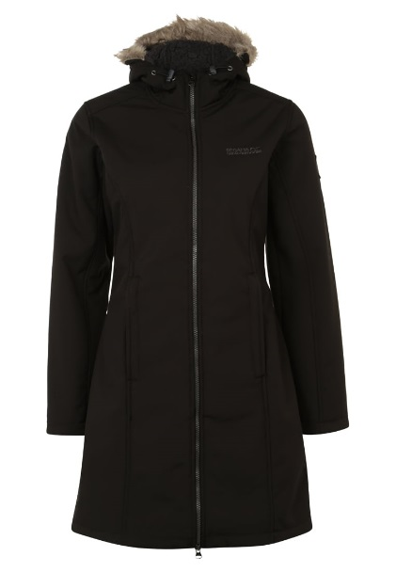

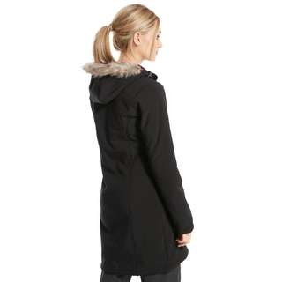
Description | Colour | Code | 10 | 12 | 14 | 16 | 18 | 20 | Total | EURO/PCS
Regatta Adhara | black | RWL 112 |  |  |  |  |  |  |  | 20.00
 |  |  | 67 | 202 | 254 | 243 | 197 | 127 | 1090

Regatta Adhara
 | petrol blue | RWL 112 |  | 5 | 4 | 36 | 44 | 1 | 90

 |  |  |  |  | Total |  |  |  | 1180

SALVO VENDUTO - SUBJECT TO PRIOR SALE

